Model
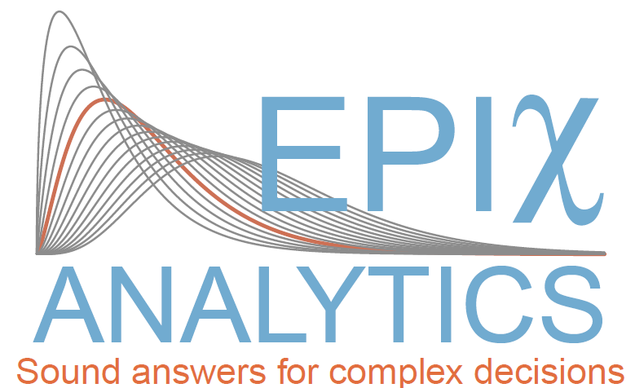
 |  | Estimate m and s deviation for Normal distribution when neither known

Problem: Estimate mean and standard deviation for Normal distribution when neither known

Data | Number of data points (n) | 31
118.39732083 | Std dev of data (sigma-hat) | 10.233720749
94.816257033 | Mean of data (mu-hat) | 101.16282466
112.43555128
103.22388168 | Individual estimates |  |  | Input for CB distributions
106.89567838 | Estimate of true mean | 100 |  | Student: | 100 | Mode | 101.16 | Shape | 1.8380305061 | Degree of freedom | 30
104.00810981 | Estimate of true stdev | 7.8197737982 |  | Gamma: | 51.380697783 | Shape | 15
115.33265207
110.77393296
97.481062645
104.59627104
104.32532754
95.909080306 | Joint estimates |  | or | Input for CB distributions
109.70912038 | Estimate of true mean | 100 | 100 | Normal: | 100 | Sigma | 1.4044728348
97.628988504 | Estimate of true stdev | 7.8247489617 | 7.8197737982 | Gamma: | 52 | Shape | 15.5
100.36802392 |  | 3183.7882083
89.986712842
79.1760007
92.863740435
99.827786834
101.85302902
121.16673447
112.46455082
107.43040657
106.46876497
96.615899411
85.949733303
79.664707278
101.10474038
87.813831447
96.396675625
101.36299203

